Tab 2 Budget Guidance
FEMA GO Budget Summary Entry Instructions
 | I. Application Instructions

 |  | Project costs must be entered into FEMA GO. However, due to system limitations, budget summary line items have field names in FEMA GO that are different from the activity categories that are defined in the Notice of Funding Opportunity (NOFO). The following crosswalk and guidance are supplemental to the FEMA GO instructions listed below and should be referred to only when an applicant is entering in their budget information into FEMA GO. Please note that construction costs should NOT be entered as Construction Costs but as Travel > Facility Improvements and Repairs (see Table 1: Crosswalk below). Using Tab 3B Budget Worksheet, provide a detailed budget breaking out each cost item describing covered allowable activities. Each item entered into FEMA GO should have a matching item in Appendix A of the Investment Justification, as well as on Tab 3B of this Application Worksheet with an associated narrative and total cost. For items being funded to subrecipients, please identify the name of the Subrecipient, followed by the line item details to denote which projects are being funded for each subrecipient. (Example: "[Subrecipient] - [Narrative] - [Total Cost]") After completing Tab 3B Budget Worksheet, you should use the below instructions to enter that information into the FEMA GO system. FEMA GO Instruction link: https://www.fema.gov/grants/guidance-tools/fema-go/startup

 | Table 1: Crosswalk

 | Tab 3B: Budget Worksheet has included the appropriate FEMA GO crosswalk fields for each category in addition to the reference below

 |  |  | Activity (NOFO activity category) | Activity (FEMA GO Term)

 |  |  | Construction or Deployment of Border Barrier or Buoys | Contractual
 |  |  | Ground Preparation for Construction and Maintenance | Travel
 |  |  | Detention and Interdiction of Illicit Substances and Unlawful Aliens | Fringe Benefits
 |  |  | Relocation of Unlawfully Present Aliens | Personnel
 |  |  | Management and Administration | Other

 | II. How to Enter Primary activitys Costs into FEMA GO

 |  | Step 1. Please select “No” in the “Grant request details” section pictured below. Note: select "No" even if you have Renovations/Modifications.

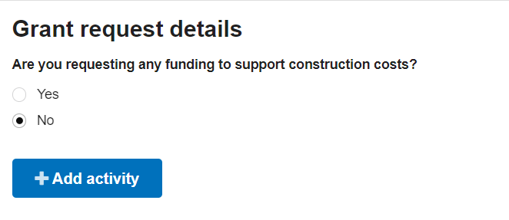

 |  | Step 2. Once selected, click the blue box titled "Add activity." A new dialog box will open, then select "Project" and click on the blue "Add this activity" box.

 |  | Step 3. Please then specify which primary activity cost in the "Project name" field and input the "Project description" as appropriate.

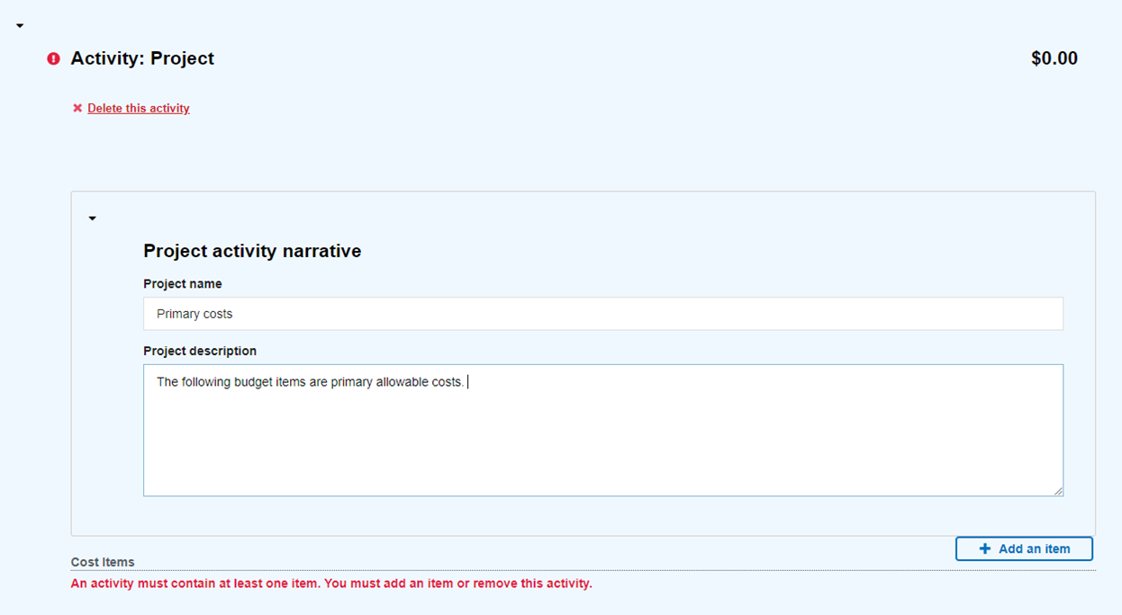

 |  | Step 4. Once completed, select the “+ Add an item” box and a new dialog box will open with the crosswalked terms from Table 1 in the drop-down menu. Please select the appropriate primary activity cost from the associated term in the drop-down menu below (e.g., “Shelter” costs = “Contractual”).

 |  | Step 5. Once selected, a new dialog box will open. For the purposes of this grant, you can simply enter in a quantity of "1" and enter your total cost in the Unit price.

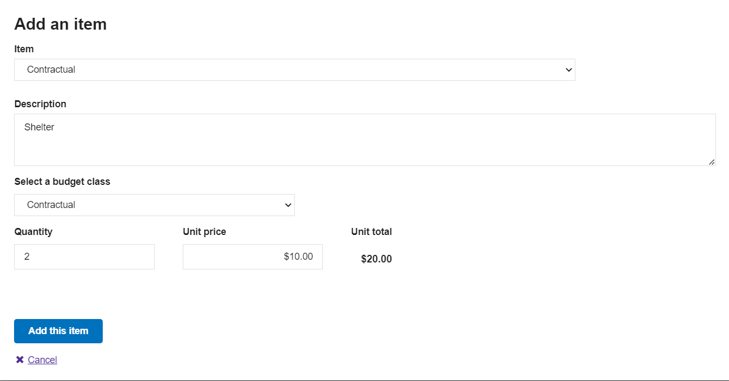

 |  | Step 6. Please then verify that the line item is correct in the next subsection titled "Overall Budget Summary".

 |  | Once verified, repeat steps 3–6 for the remaining primary activity costs referring to Table 1 to appropriately crosswalk the NOFO activity categories with FEMA GO terms.

 | III. How to Enter Management & Administration Costs into FEMA GO

 |  | To enter management & administrations costs into FEMA GO:

 |  | Step A. Go back to “Project activity narrative” under the “Activity: Project” section.

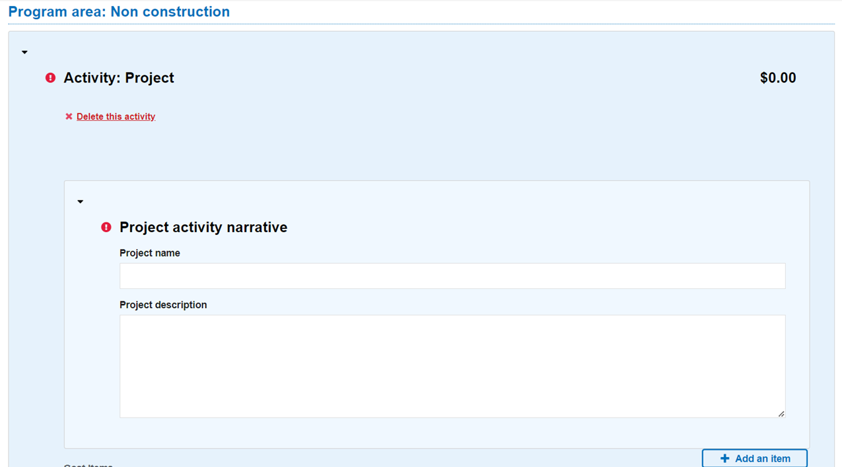

 |  | Step B. Click “Add an item,” and select “Other." In “Description,” describe which project you are adding. Select “Other” for “budget class” and fill in the quantity and unit price. Select “Add this item” to include it in your application.

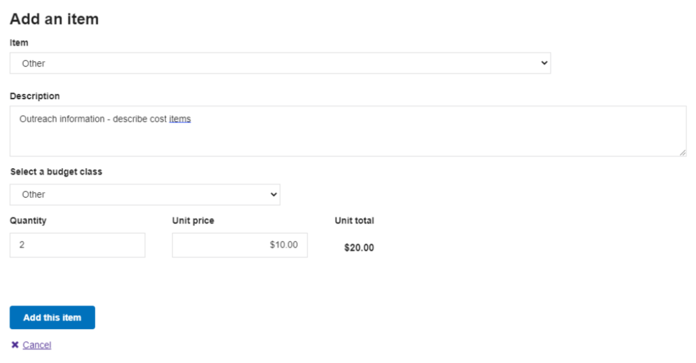

 |  | Once verified, repeat steps A–B for the remaining costs, referring to Table 1 to appropriately crosswalk the NOFO activity categories with FEMA GO terms.

 | End of Sheet

